quotation
TERMS & CONDITIONS
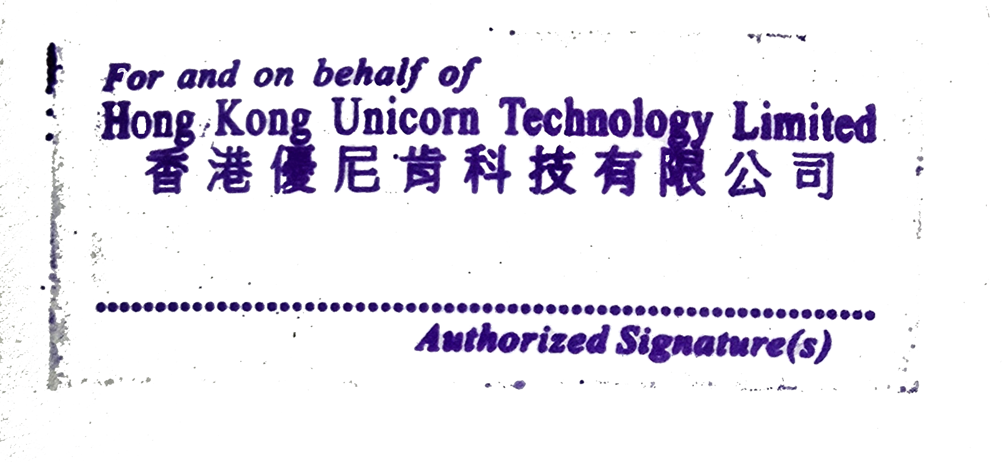 1.Currency:KWR 2.Trade Terms: DAP-Delivered at Place 3.Payment time:The next month after receiving the goods 4.Quality warrantey: 1 year date deliver 5.The PI needs to be stamped

PAYMENT METHOD
Bank Tansfer: | Account Number: 06201739597884 Account Name: Hong Kong Unicorn Technology Limited Bank Code: 003 Bank Name: IBK - Industrial Bank of Korea Bank Address: 91, Ogeum-ro, Songpa-gu, Seoul, Korea Industrial Bank of Korea Jamsil Branch Country/Region: Korea Type of Account: Business account

Please be noted that if you want to choose bank transfer, bank charge will be paid by your side .
THANK YOU FOR YOUR BUSINESS!

